Info
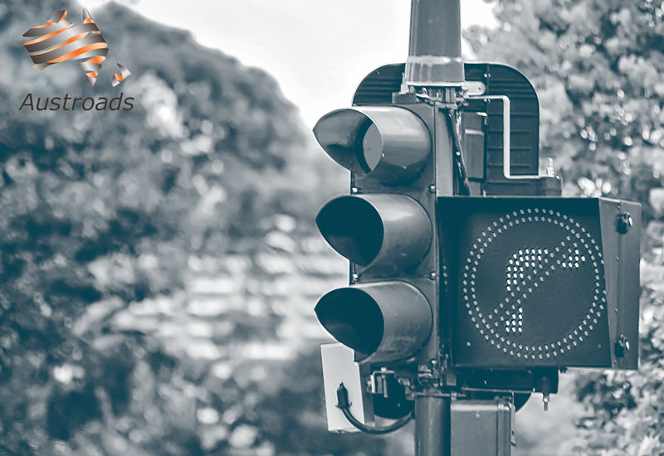
Publication date | June 2021
Publisher | Austroads
Title | Investment prioritisation template: Traffic lights and signs
Description | Template for traffic lights and signs
Author | Martin Chow, HoustonKemp Economists
Version | 1
Supporting documents | Investment Prioritisation Templates User Guide
 | A Holistic Investment Prioritisation Framework for Road Assets
Copyright | © Austroads 2021 | This work is copyright. Apart from any use as permitted under the Copyright Act 1968, no part may be reproduced by any process without the prior written permission of Austroads. This material is for personal use only, it is not to be used for commercial training purposes.

VOC and vehicle mix
VOC and vehicle mix
Insert description

 | High level assumptions

 | Benefit assumptions

 | Increase in crash rate |  | Notes
 | Traffic lights | 30.00% | Austroads, Effectiveness of road safety engineering treatments, November 2012, p 6; based on the crash reduction rate for installing traffic signals.
 | Traffic signs | 38.00% | Austroads, Effectiveness of road safety engineering treatments, November 2012, p 6; based on the average crash reduction factor for each of single and four-way stop signs at T and X intersections, give-way signs and U-turn/right-turn ban signs.
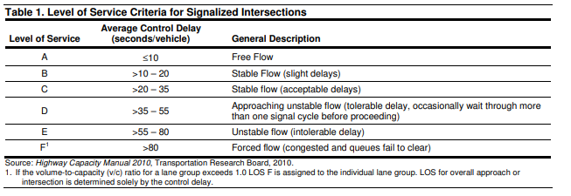
 | Increase in travel time | mins per vehicle | Notes
 | Traffic lights | 1.00 | Assume that level of service is c (20-35 sec delays per veh) when traffic lights are working and f (>80 sec delays) when not. Source: Highway capacity manual
 | Traffic signs | 0.00 | We have assumed that signs do not have travel time implications

 | Increase in VOC | Increase in stops per vehicle | Notes
 | Traffic lights | 1.00 | Assume that when traffic lights are not working, then stops per vehicle increases by 1 per vehicle
 | Traffic signs | 0.00 | We have assumed that signs do not have VOC implications

 | Detailed assumptions

 | ABS CPI

 | Date | index | Notes
 | Jun-13 | 103.20 | ABS CPI, All groups CPI excluding 'volatile items' ; Australia, series ID: A2330841L
 | Jun-19 | 115.30
 | Dec-19 | 116.70
 | Jun-20 | 115.80

 | Vehicle characteristics

 |  | Urban | Rural | Active scenario | Source
 | Light vehicles | 95% | 88% | 95% | TfNSW, Economic Parameter Values, June 2020, available at
 | 2 axle rigids | 1% | 1% | 1% | https://www.transport.nsw.gov.au/projects/project-delivery-requirements/evaluation-and-assurance/technical-guidance
 | 3 axle rigids | 2% | 3% | 2% | We have assumed that 2 axle rigids matches to medium rigids,
 | Buses | 1% | 1% | 1% | 3 axle rigids matches to heavy vehicles.
 | Articulated trucks | 1% | 3% | 1%
 | Combination vehicles | 1% | 4% | 1%

 | Value of time and occupancy rate

 | Notes
 | Source: ATAP, PV2 Road Parameter Values, August 2016, p19
 | https://www.atap.gov.au/sites/default/files/pv2_road_parameter_values.pdf
 | Value of time is calculated as occupancy rate x value of time of occupant.
 | Value of freight is also included for freight vehicles.
 | Value of time for buses varies for the driver and passengers
 | Values have been inflated to June 2020

 | $ per hour | Urban | Rural
 | Light vehicles | 26.91 | 28.59 | Costs for private cars have been used
 | 2 axle rigids | 39.29 | 37.00 | Costs for medium rigid have been used
 | 3 axle rigids | 45.32 | 37.49 | Costs for heavy rigid have been used
 | Buses | 365.26 | 365.26 | Costs for heavy buses have been used
 | Articulated trucks | 77.28 | 54.05 | Costs for 6 axle articulated trucks have been used
 | Combination vehicles | 103.36 | 65.82 | Costs for B-doubles have been used
 | Total | 31.29 | 32.24

 | Occupancy rate | Urban | Rural
 | Light vehicles | 1.6 | 1.7 | Same assumptions as table above
 | 2 axle rigids | 1.2 | 1.2
 | 3 axle rigids | 1.0 | 1.0
 | Buses | 21.0 | 21.0
 | Articulated trucks | 1.0 | 1.0
 | Combination vehicles | 1.0 | 1.0
 | Total | 1.74 | 1.84

 | VOC per stop

 | Notes
 | Source: TfNSW, Economic Parameter Values, June 2020, table 15
 | https://www.transport.nsw.gov.au/projects/project-delivery-requirements/evaluation-and-assurance/technical-guidance

 | Vehicle | VOC/stop (excl. fuel) (cents) | Fuel consumption per stop (L) | Fuel cost (cents/L) | VOC/stop (incl. fuel) (cents) (June 2019) | VOC/stop (incl. fuel) (cents) (June 2020)
 | Car | 4.62 | 0.04 | 75.92 | 7.80 | 7.83
 | Light truck | 10.70 | 0.22 | 82.61 | 29.20 | 29.33
 | Heavy truck | 19.60 | 0.72 | 82.61 | 78.88 | 79.22
 | All | 5.43 | 0.08 | 76.28 | 11.66 | 11.71

